T1
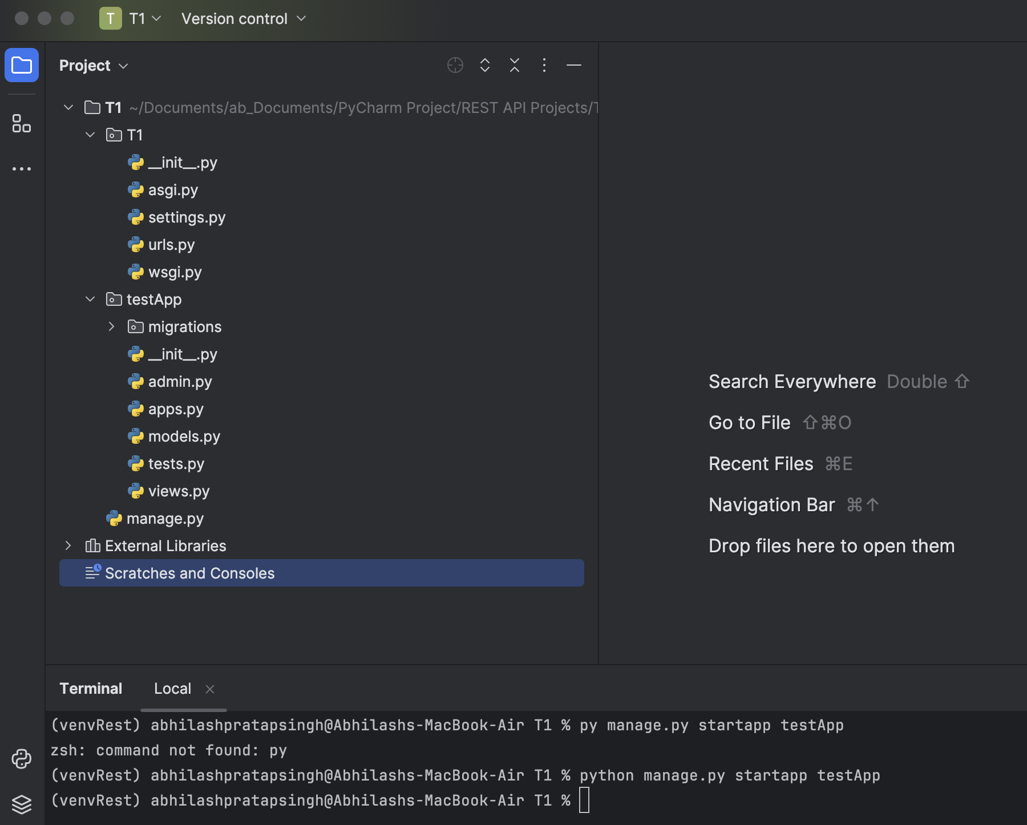
Start:- Creating djangoApi without using REST framework. This is a simple app where we get response by sending request to the server.
 | Pip install django
 | django-admin startproject ProjectName | It will create a project(folder) in a selective directory with a name of "ProjectName"
 |  | Inside ProjectName folder there are two 1 folder and 1 file will automatically created.
 |  | Project name folder contains.>
 |  | __init__.py
 |  | asgi.py
 |  | settings.py
 |  | urls.py
 |  | wsgi.py
 |  | 1 filename is "manage.py"

 | python manage.py startapp appName | It will create a aapName folder inside the Project.
 |  | aapname folder contains.>
 |  | Migration>
 |  | __init__.py
 |  | admin.py
 |  | apps.py
 |  | models.py
 |  | tests.py
 |  | view.py

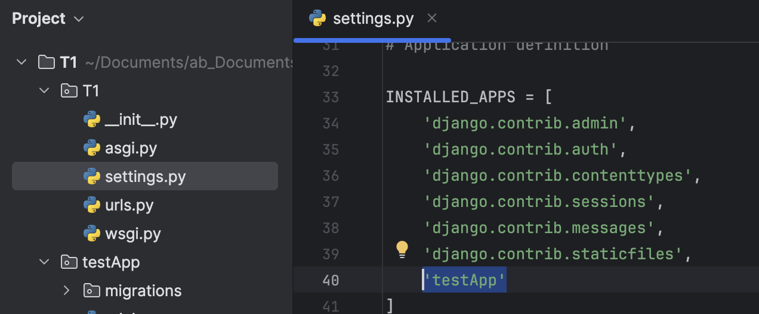
 | In Settings.py | adding your appName Inside the Inside the "INSTALLED_APP" list.

 | In views.py | Write a functionthat you want execute, When request is coming to server.
 |  | We should pass atleast 1 argument as "request" in this function.

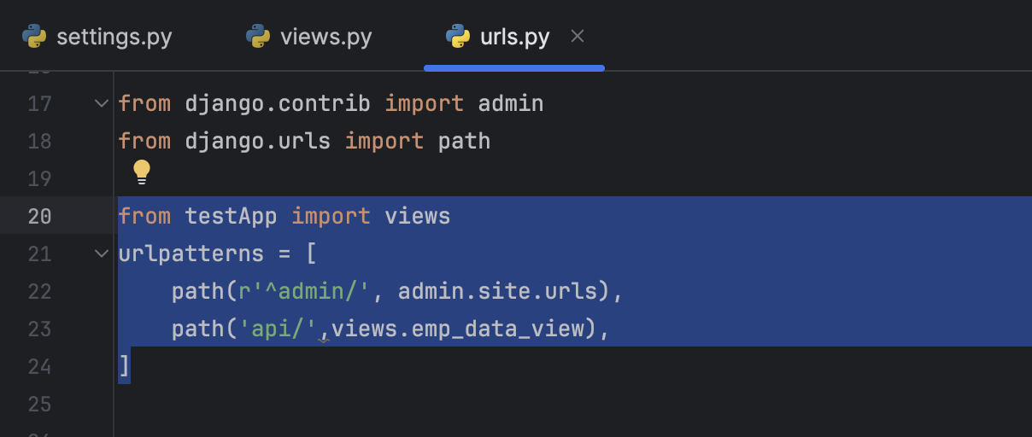
 | In urls.py | Write a url end point, and assign function to it.

 | run server through command line | python manage.py runserver

 | Sending request through browser:- http://127.0.0.1:8000/api

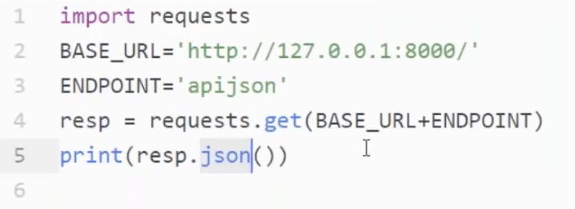
 | Sending request through python application

End

In the above app we are using functional based view, where we handled all get/post/put/patch/delete request seprately. To overcome from this problem We have classbased view which handle request dynamically.
It is recommended that we have used classed based view while creating the djangoAPI.
Start
 | In views.py | We have make class which is a child class of View class
 |  | We have to import View class from django.views.generic
 |  | It handle get/post/put/patch/delete request automatically. And call function accordingly.

 | In urls.py | Here we need to write a new endpoint. Eg:- apiCBV & assign function call
 |  | Here we have assing function :- views.JsonCBV.as_view()
 |  | as_view() call is responsible to execute get/post/patch/put/delete accordingly on the basis of request receiver.

 | Sending request through browser:- http://127.0.0.1:8000/apiCBV

End

In the above example we have write only get funcation in JsonCBV. In the example we write others method.
Start

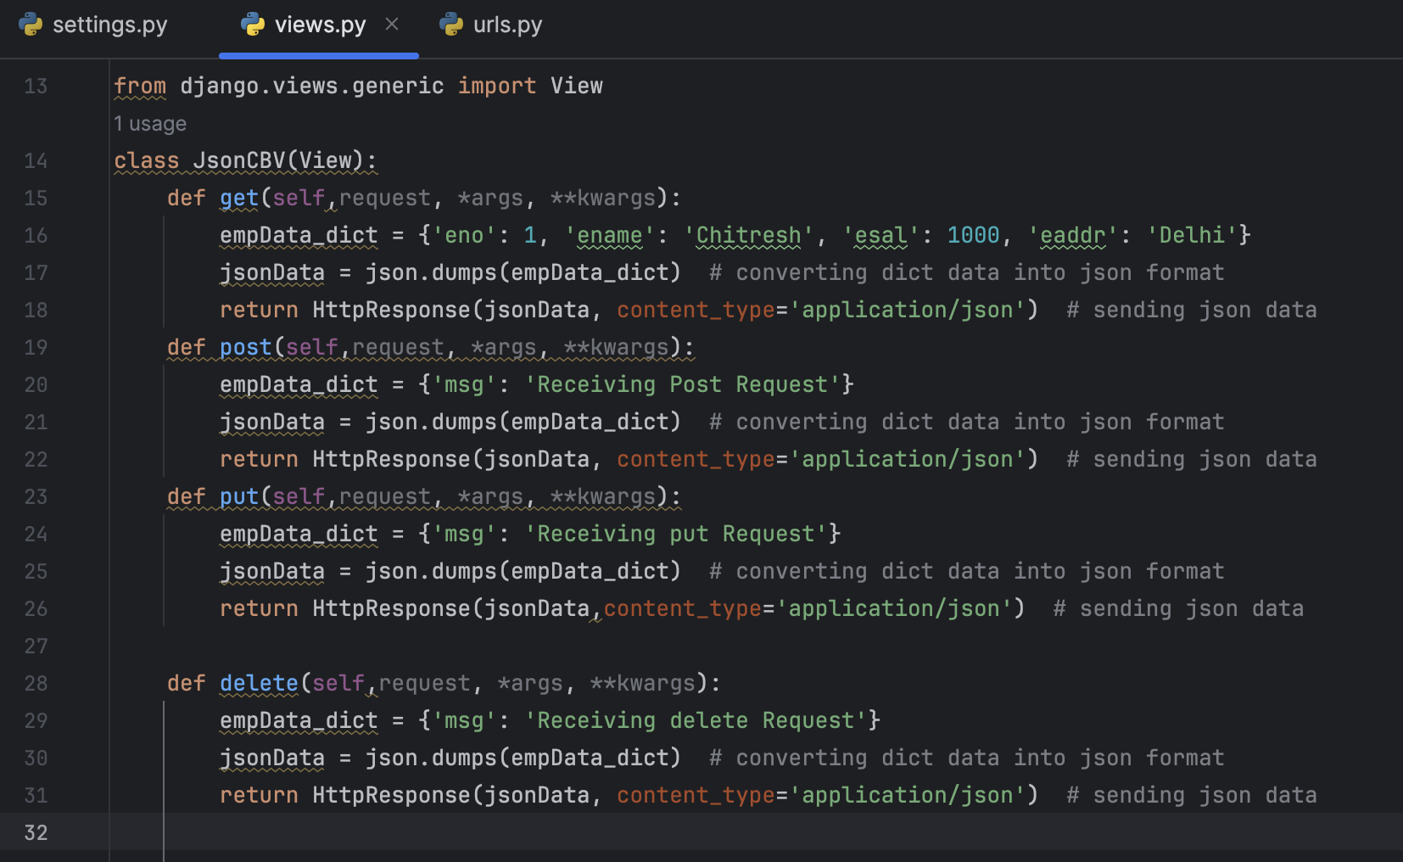
 | In views.py | Here we write all get/post/put/delete/patch method
 |  | When we sending get request. Then get method executre
 |  | But when we sending Post request. We get an error. B'coz of middleware.
 |  | Middleware won't pass Post request to the server without CRSF tokken.
 |  | We should have to pass CRSF token along with the post request.
 |  | But for testing purpose, We explicitly disable the CRSF tokken.
 |  | It is highly recommended that we should not disable this CRSF tokken in production environment.

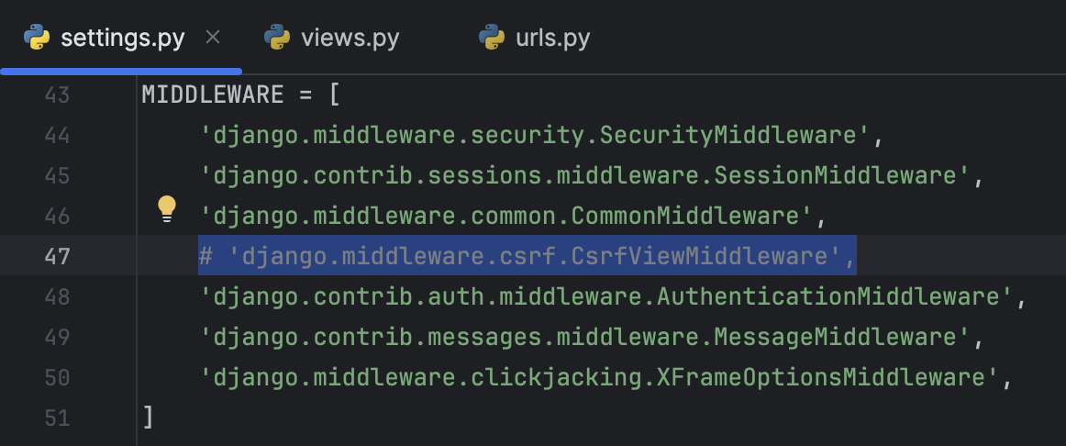
 | In setting.py | Disable CRSF

 | Sending Post Request through browser: | Through browser sending post request won't be possible.
 |  | We can send post request through different application through POSTmen, or others.
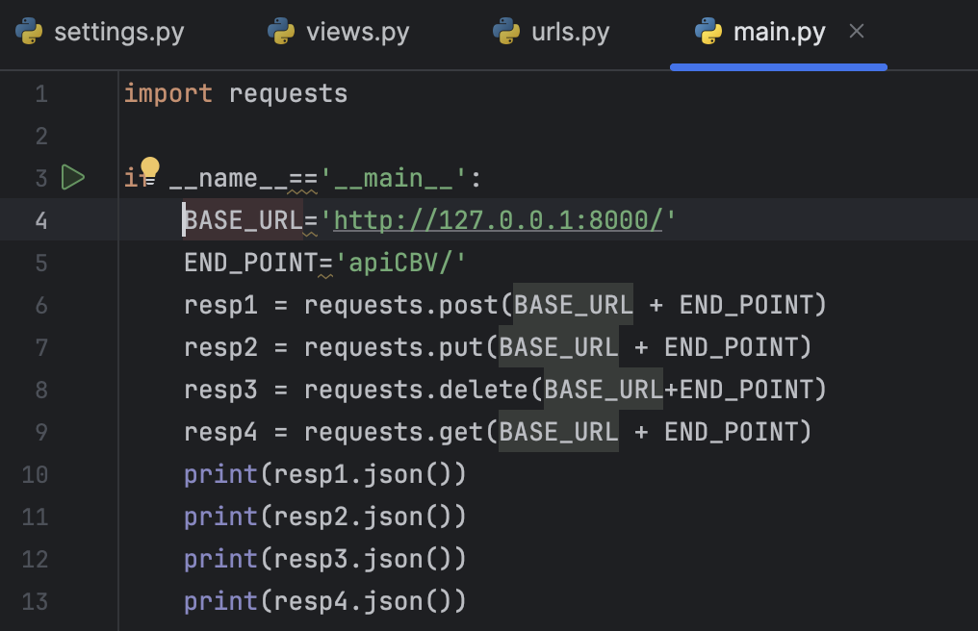
 | Sending Post Request through Python | Sending get/post/put/delete request thorough Python

 | Output

End

In the above code there is problem with Database, there is no database is used for retriving the data.
So now in this code we create one database, from that we operate our CRUD operation.
Start

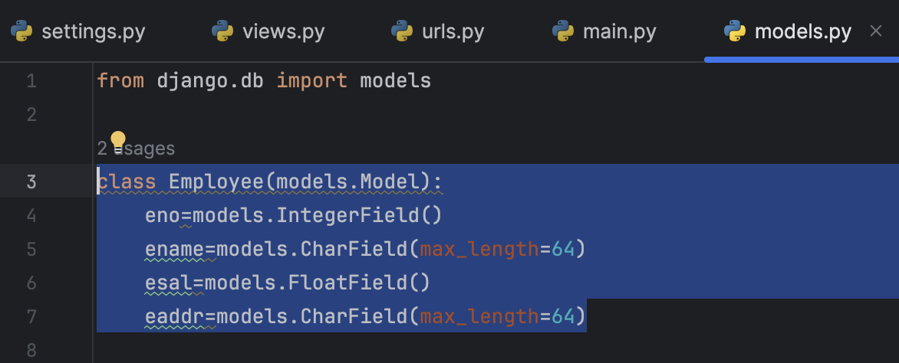
 | In Models.py | Model.py is used to declare our model or database table.
 |  | Here we create our Employee model that is a child class of models.Model

 | python manage.py makemigrations | makemigrations command is responsible for genrating the sql query.

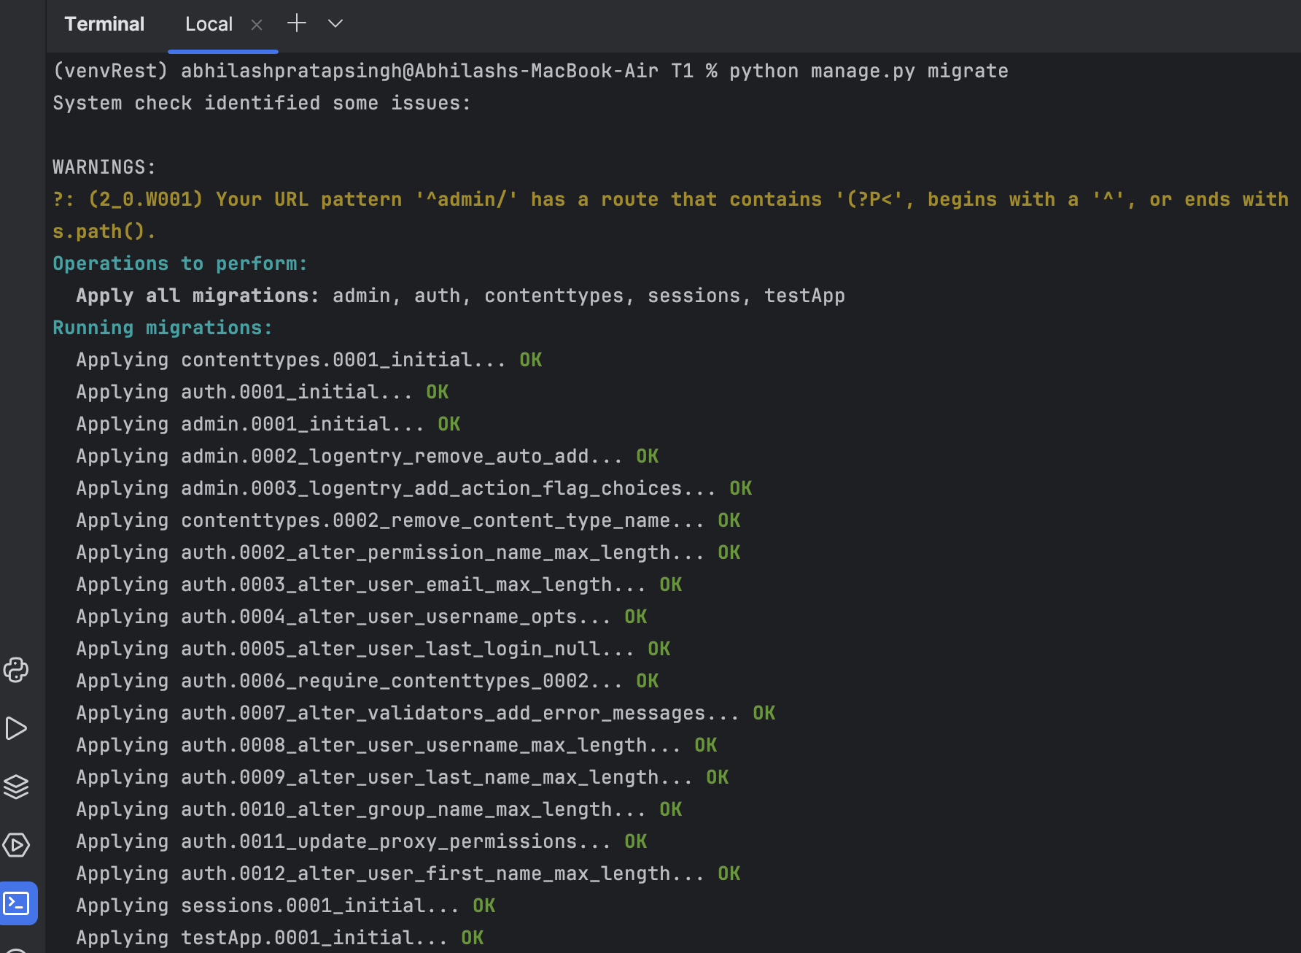
 | python manage.py migrate | migrate command is responsible for executing the sql query.

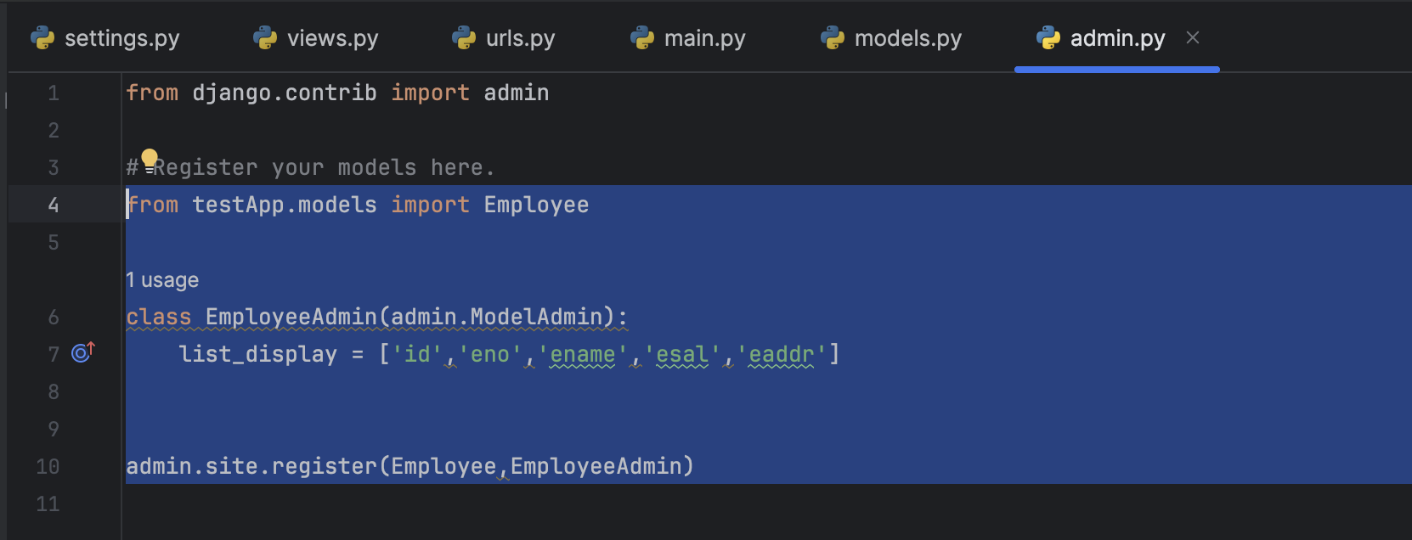
 | in admin.py | We have to register our model in this file.
 |  | Here we have to create one class(EmployeeAdmin) which is a child class of admin.ModelAdmin

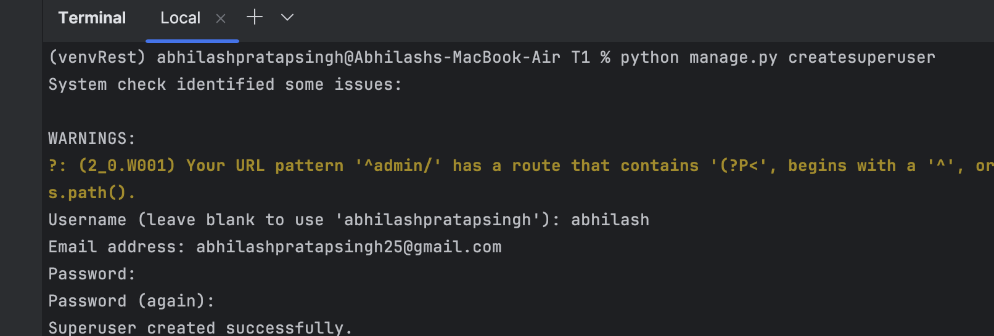
 | creating SuperUser | python manage.py createsuperuser

 | run server | python manage.py runserver

 | goto bwoser and sending:- http://127.0.0.1:8000/admin | It will show you login page
 |  | login with your credential
 |  | Here you found that your model (Employee) is already available.
 |  | Here you can manully add the data in the table or you can use POST method for creating data.

 | in views.py | Write EmployeeDetailsViewCBV


 | In urls.py | write code for end point and there function call

 | output:- sending get request through browser after running the server

End

In the above view.py, there is a issue within the code that for getting data from employee it is hard coded that gives data on based of Id.

 | In views.py | Here we take id from parameter.
 |  | This id will take from the URL patterns.

 | In urls.py | In urls. Py we need write a jinja code that takes parameter from endpoint url

 | sending request through browser:- http://127.0.0.1:8000/api/2/

End

In the above code , In view.py there is problem employeeData_dict variable, here we convert employeeData to employee_dict and then employeeData_json.
To overcome from this we use serializers.
Serializers parses models type to json type.
Serialization: Converting python object to json
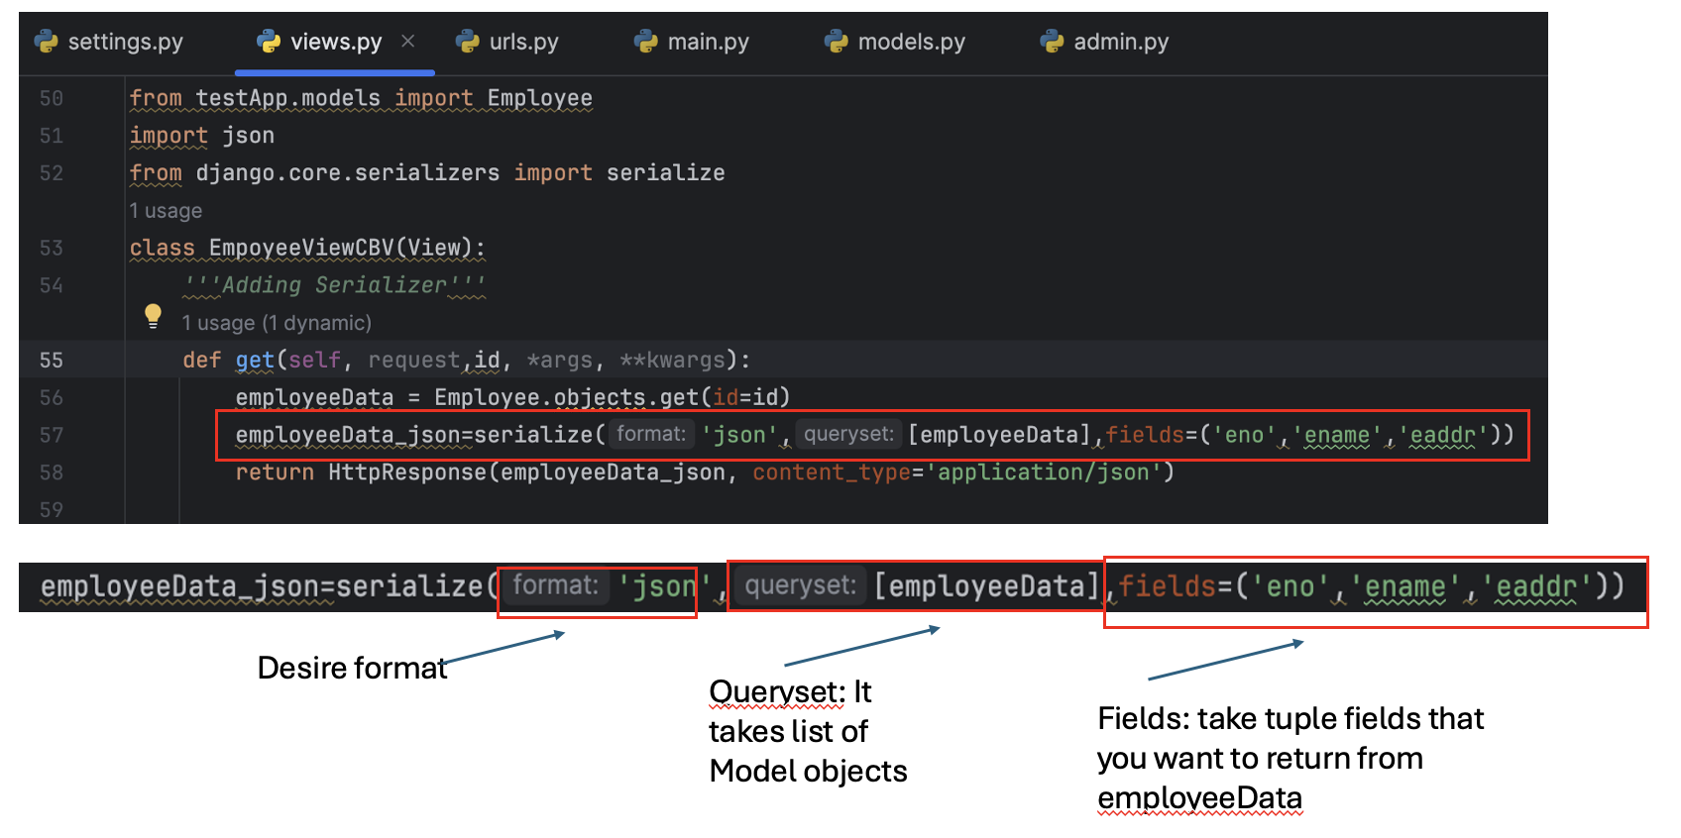
Start
 | In views.py | Filess parameter is optional, if fields not pass then it returns all fields of Models object

Note: | Way Serialization:
 | 1.By using python inbuild module json:- json.dumps(data)
 | 2. Using django.core.serialize import serialize
 | 3. By using Django REST_FRAME work

End

In the above code, we can not use any other function for code reusebility purpose
Mixin is used to call other function inside CBV
Start

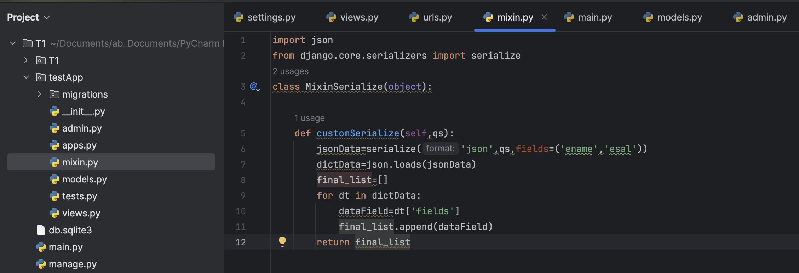
 | Adding py file into testApp folder with name as <mixin.py>

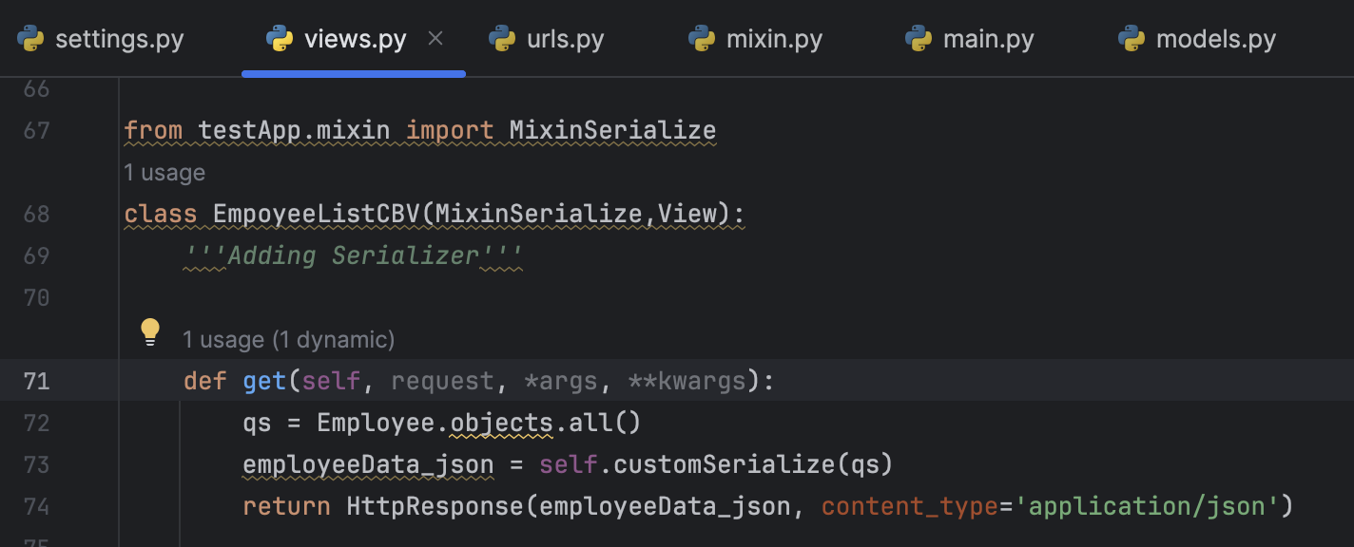
 | In view.py

 | Same output as above
In the above code, in view.py in not apply any error handling.

Start

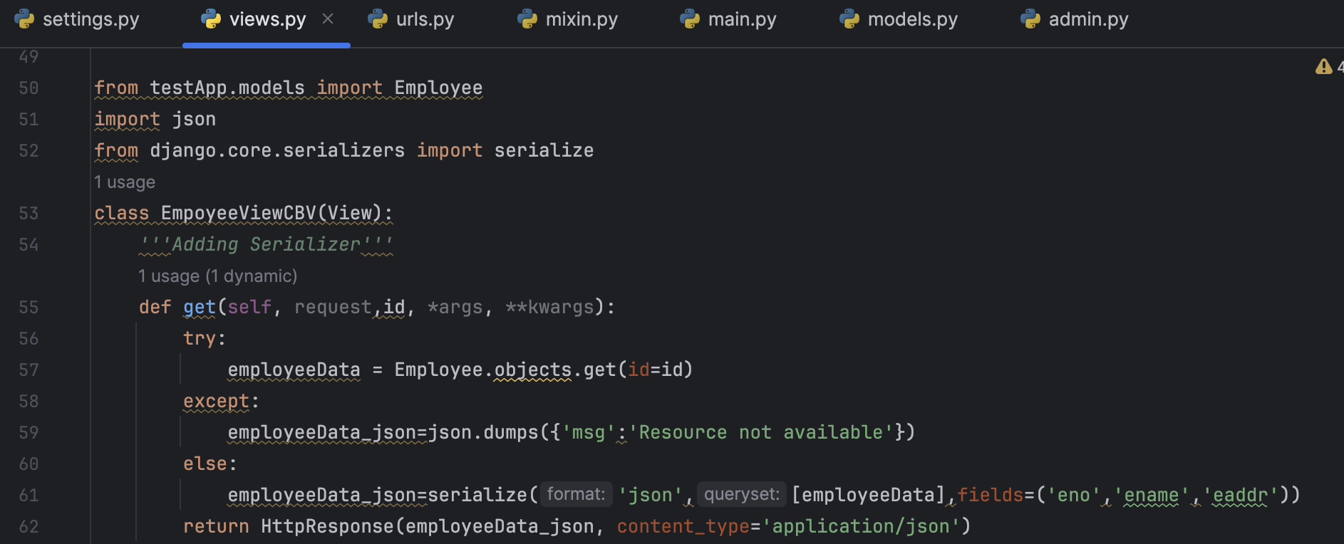
 | in view.py | If user send request that have not existing in the data, then existing code raise an error.
 |  | We should have to handle those error.

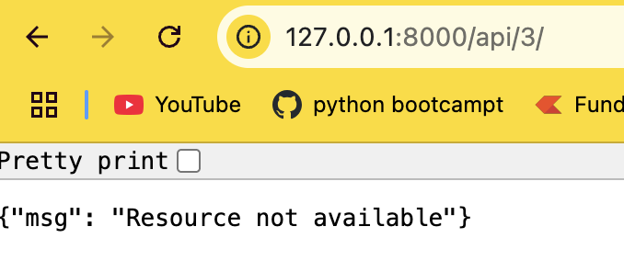
 | sending request through browser; http://127.0.0.1:8000/api/3/

Using of cmd:- | python manage.py dumpdata | It print the employee data in the console in json format without Indentation
 | python manage.py dumpdata --indent 4 | It print the employee data in the console in json format with Indentation
 | python manage.py dumpdata --format json --indent 4 | It print the employee data in the console in json format with Indentation
 | python manage.py dumpdata --format xml --indent 4 | It print the employee data in the console in xml format with Indentation
 | python manage.py dumpdata --format xml > emp.xml --indent 4 | It create file with name of emp.xml that contains employee data in xml format with Indentation
End

Upto now we've learnt about the get request, we do not talk about any post request
Start

 | Disabling CRSF tokken:3 ways | 1. To disable at method/function level
 |  | from django.views.decoratos.csrf import csrf_exempt
 |  | @csrf_exmept
 |  | def myFunction()

 |  | 2. To Disable at class level
 |  | from django.views.decoratos.csrf import csrf_exempt
 |  | from djnago.utils.decoratos import method_decorator
 |  | @method_decorator(csrf_exmept,name='dispatch')
 |  | class MyClass(View)

 |  | 3. To disable at project level(not recommended)
 |  | goto settings.py>middleware
 |  | comment crsf tokken

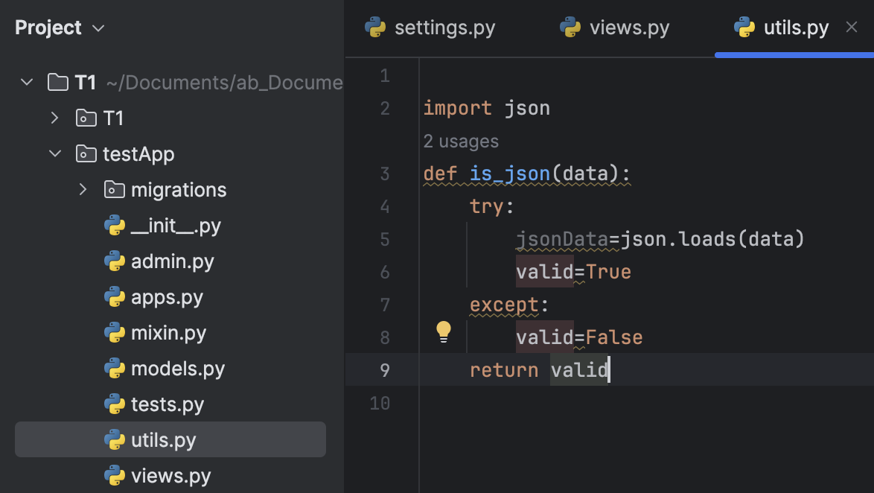
 | Create new utils.py in testapp | Here we write a code for validating json_data

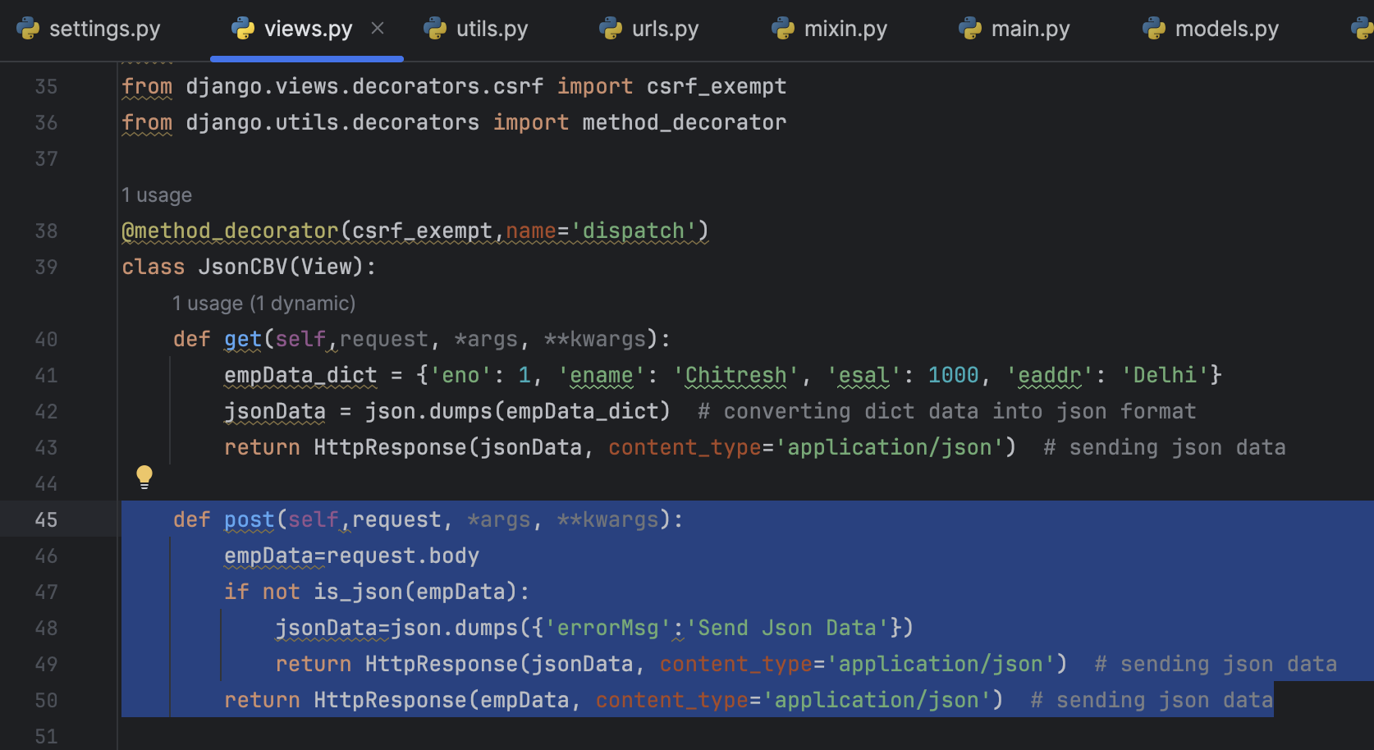
 | In views.py | here we write a code for send post request

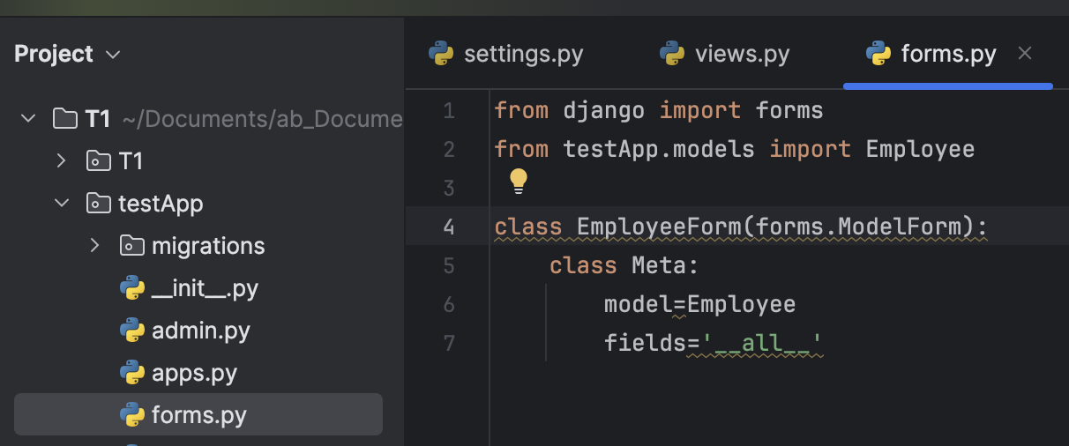
 | To save data that comes through Post request inside the django database | We should required a ModelForms.

 | Create forms.py inside the testapp

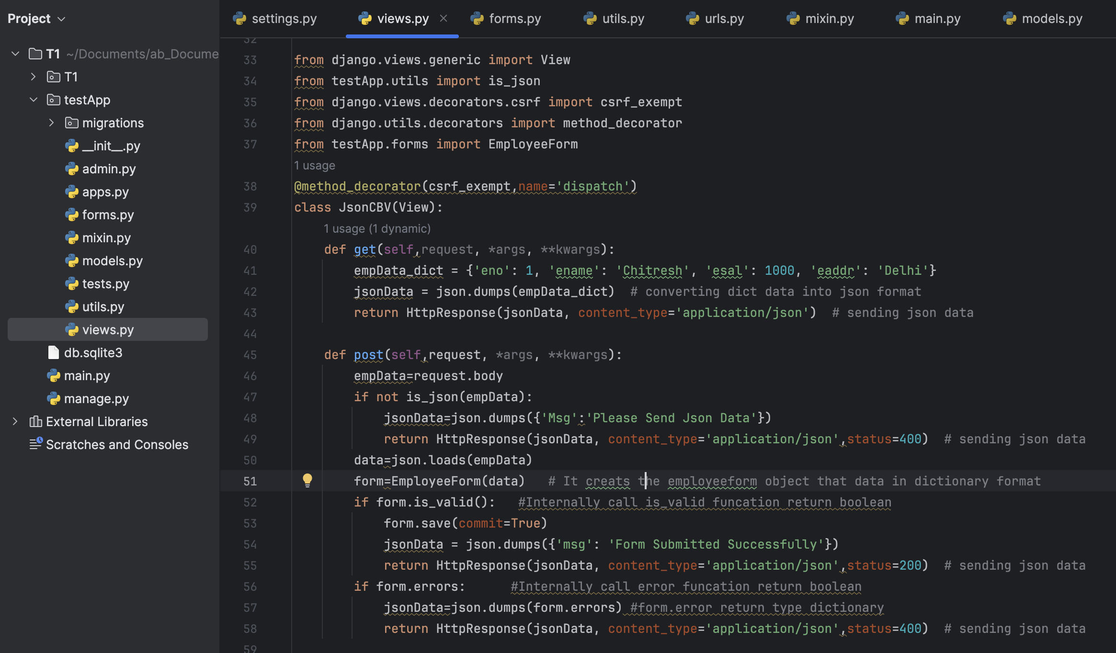
 | In views.py

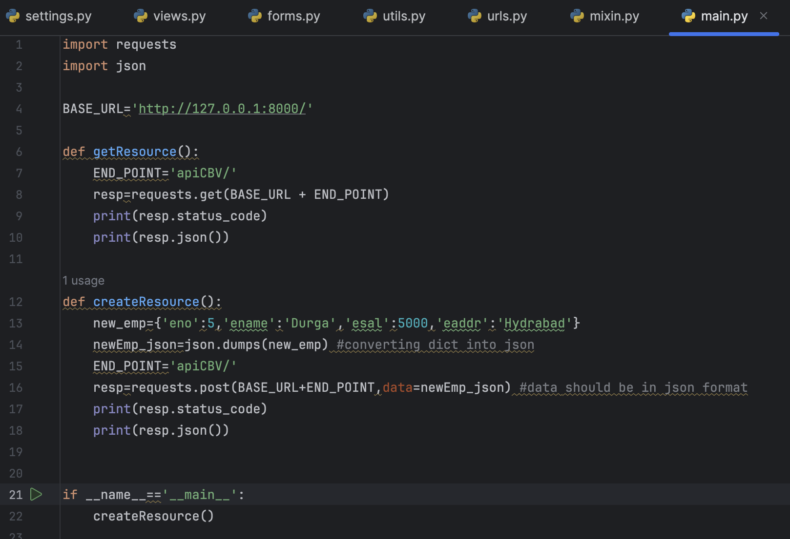
 | Sending request through python :- | It creats the record in Employee table

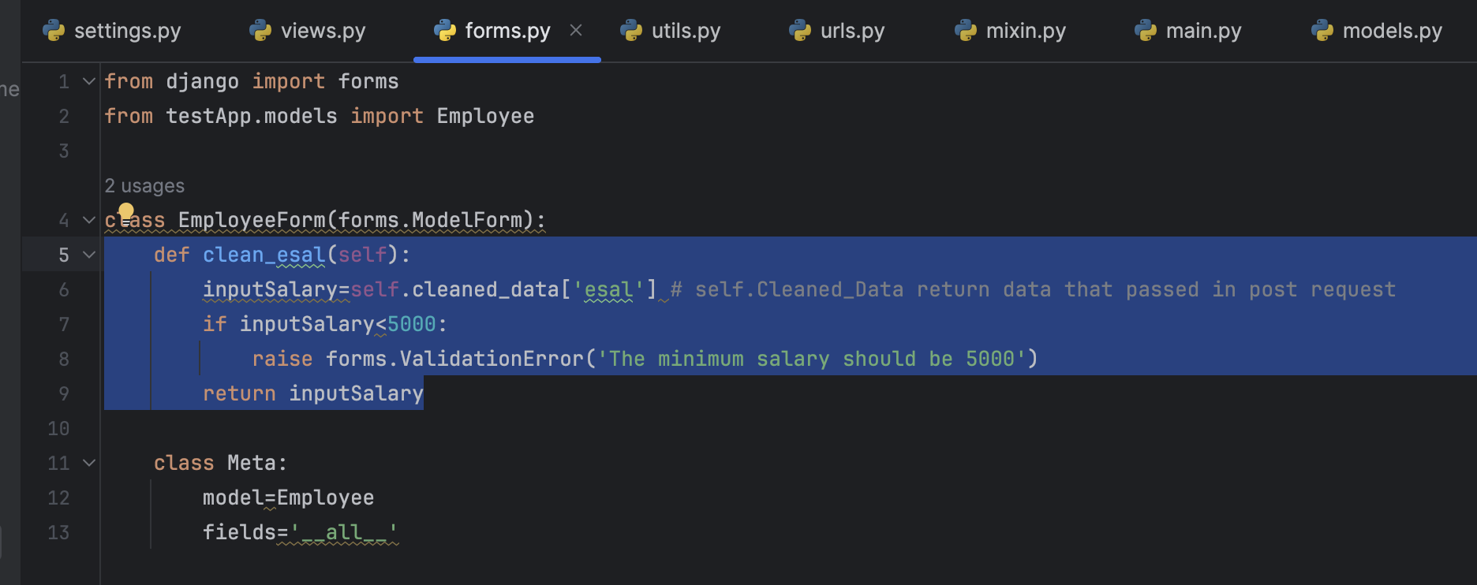
 | Apply Validation in forms.py

End

Writing code for PUT Request

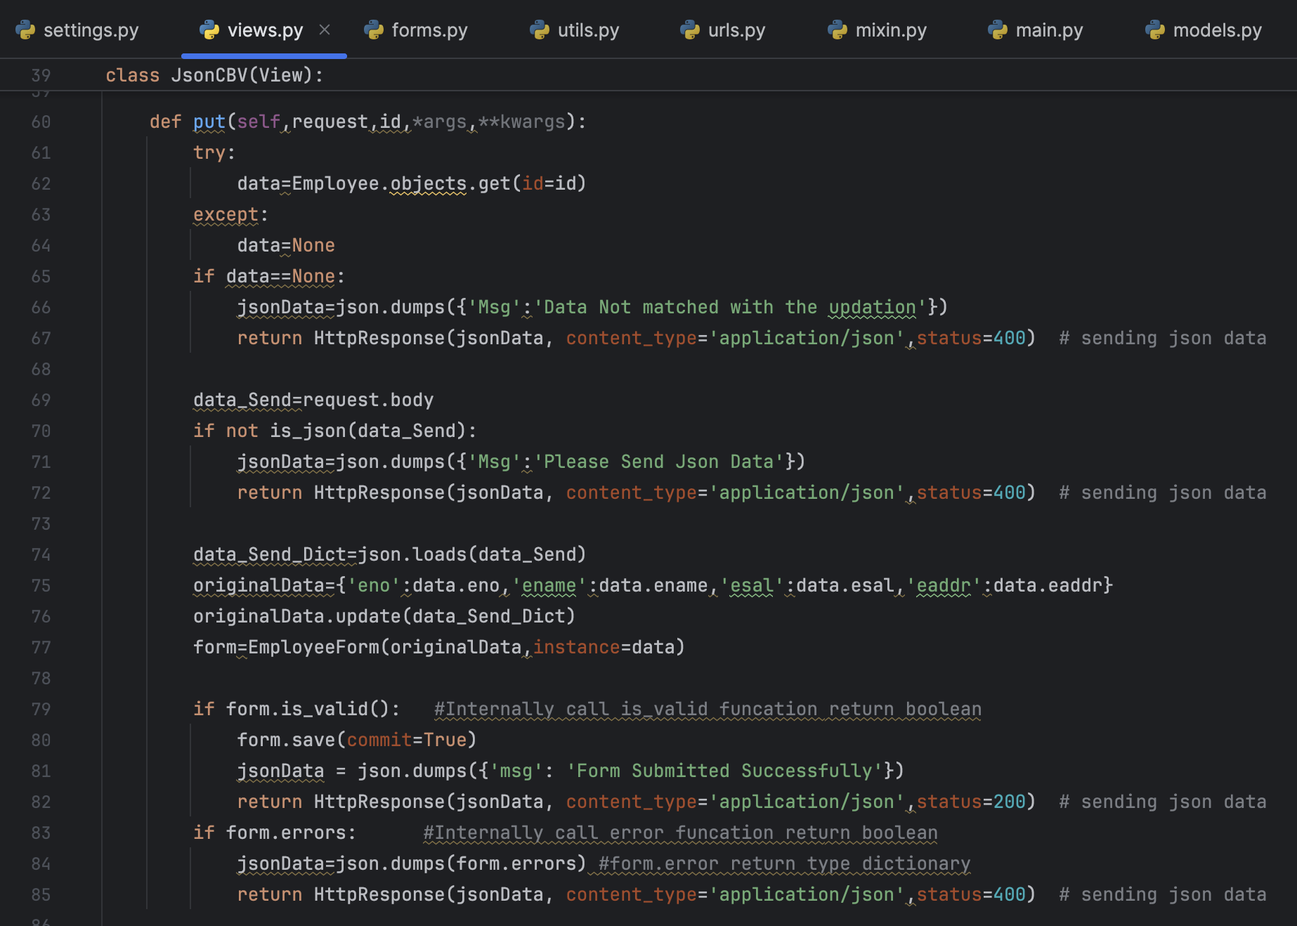
 | In views.py | write put method

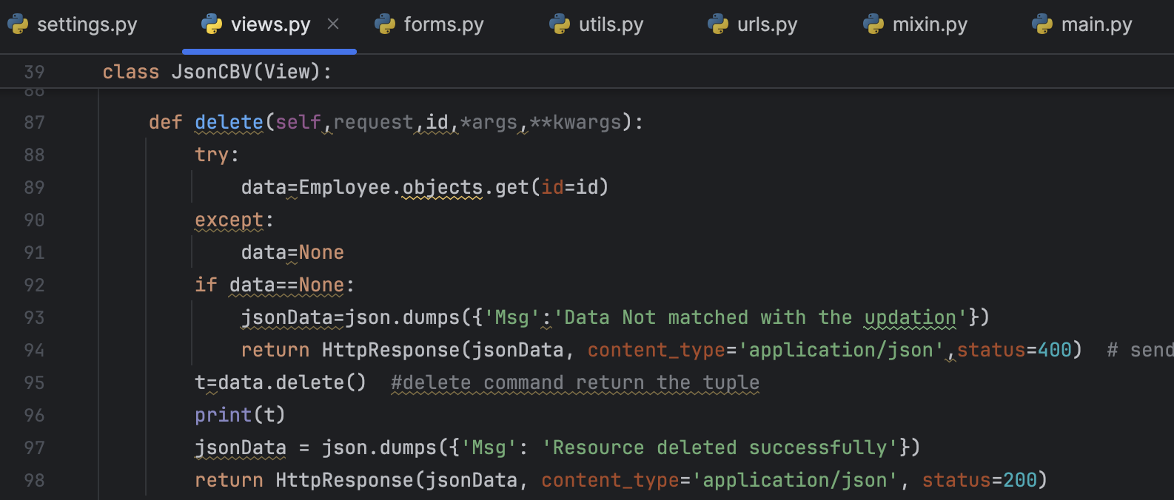
 |  | Write Delete method

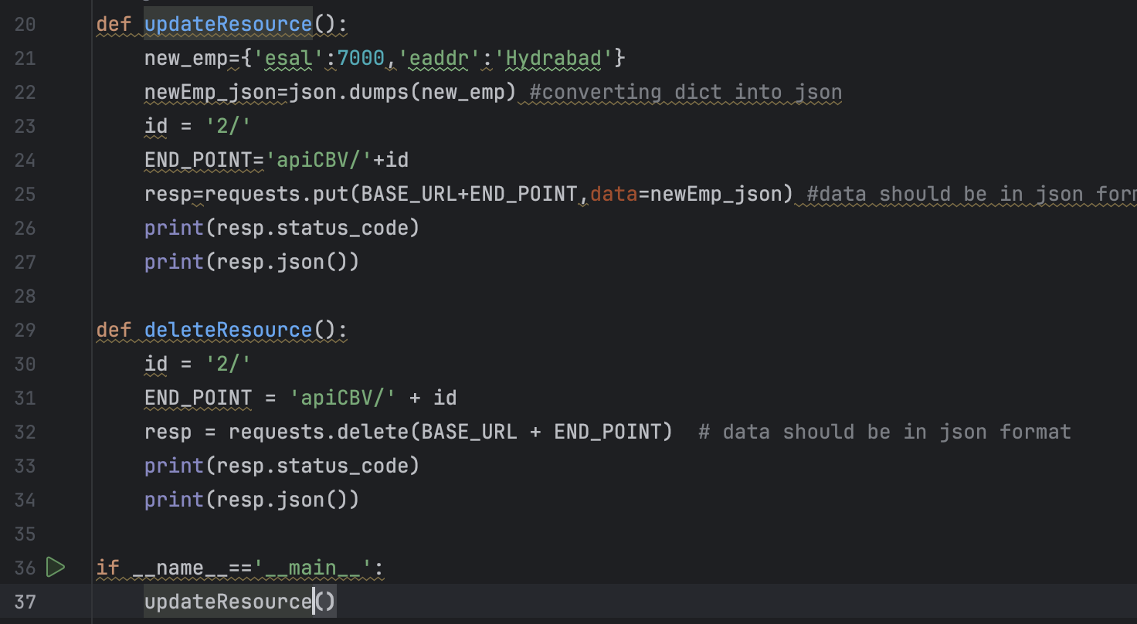
 | Sending request through python:-

